Table 27
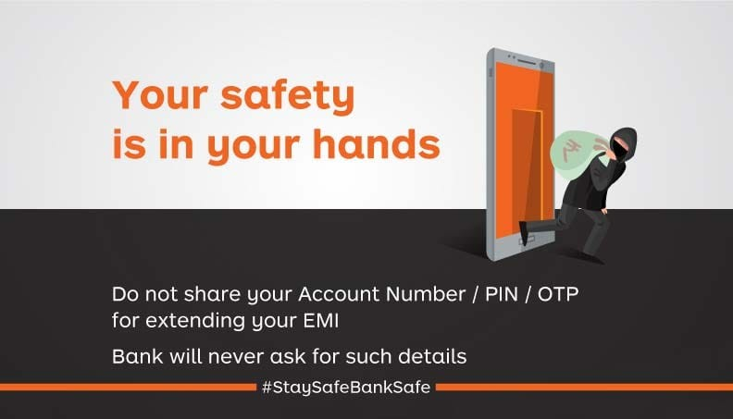
Date and Time: 17/06/2021 16:07 | Contact-Us@18001024455 | Page 12 of 12

